CHAMPION
 |  |  |  |  |  |  | 9002
CATEGORY | SEASON | PRODUCT COLOR CODE | PRODUCT CODE | PRODUCT DESCRIPTION | PRODUCT COLOR DESCRIPTION | PRODUCT SIZE | FINAL QUANTITY | PRICE USD
T-SHIRT | STOCK | 234 | CS2071H | T-SHIRT'S MEN | Kelly Green | 2XL | 57 | $6.50
T-SHIRT | STOCK | 775 | CS2071H | T-SHIRT'S MEN | Brown | 2XL | 21 | $6.50
T-SHIRT | STOCK | 775 | CS2071H | T-SHIRT'S MEN | Brown | 3XL | 72 | $6.50 | EXAMPLES T-SHIRTS
T-SHIRT | STOCK | 234 | CS2071H | T-SHIRT'S MEN | Kelly Green | M | 48 | $6.50 | 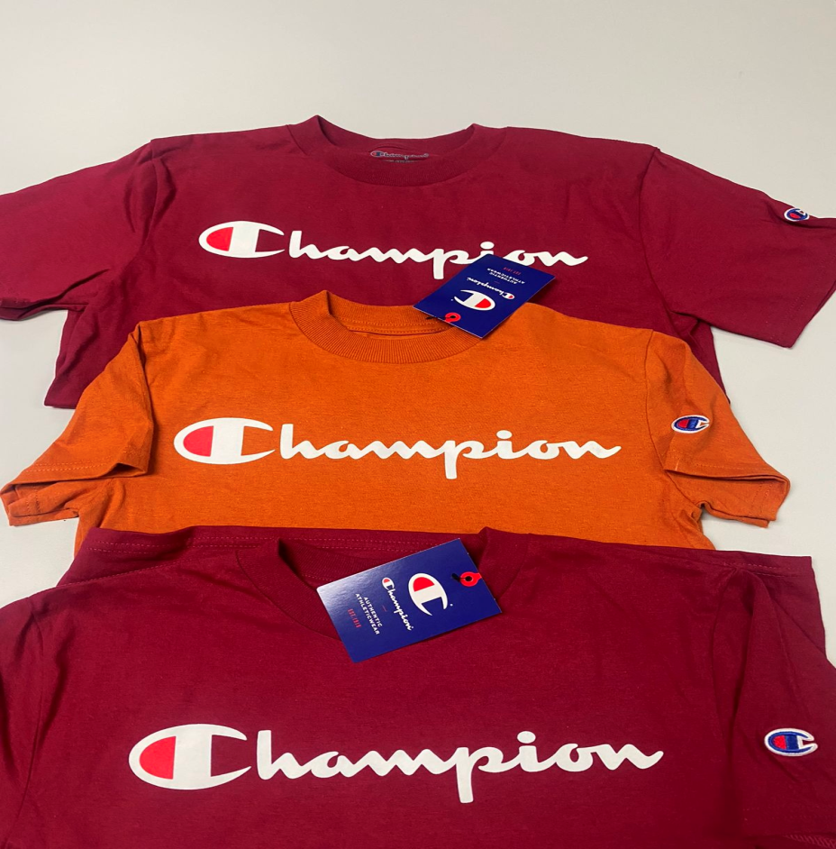
T-SHIRT | STOCK | 234 | CS2071H | T-SHIRT'S MEN | Kelly Green | S | 48 | $6.50
T-SHIRT | STOCK | 775 | CS2071H | T-SHIRT'S MEN | Brown | S | 48 | $6.50
T-SHIRT | STOCK | 999 | CS2071H | T-SHIRT'S MEN | Black | S | 96 | $6.50
T-SHIRT | STOCK | 234 | CS2071H | T-SHIRT'S MEN | Kelly Green | XL | 48 | $6.50
T-SHIRT | STOCK | 775 | CS2071H | T-SHIRT'S MEN | Brown | XL | 1 | $6.50
T-SHIRT | STOCK | 999 | CS2071H | T-SHIRT'S MEN | Black | XL | 85 | $6.50
T-SHIRT | STOCK | 1045 | CT1000H | T-SHIRT'S MEN | Blue Breeze | 2XL | 70 | $6.50
T-SHIRT | STOCK | 1134 | CT1000H | T-SHIRT'S MEN | Denim Jacket Blue | 2XL | 36 | $6.50
T-SHIRT | STOCK | 4111 | CT1000H | T-SHIRT'S MEN | Spirited Orange | 2XL | 24 | $6.50
T-SHIRT | STOCK | 6017 | CT1000H | T-SHIRT'S MEN | Urban Lilac | 2XL | 24 | $6.50
T-SHIRT | STOCK | - | CT1000H | T-SHIRT'S MEN | Dark Green | 2XL | 5 | $6.50
T-SHIRT | STOCK | 6017 | CT1000H | T-SHIRT'S MEN | Urban Lilac | 3XL | 86 | $6.50
T-SHIRT | STOCK | 1134 | CT1000H | T-SHIRT'S MEN | Denim Jacket Blue | L | 8 | $6.50
T-SHIRT | STOCK | 190 | CT1000H | T-SHIRT'S MEN | Navy | L | 48 | $6.50
T-SHIRT | STOCK | 4111 | CT1000H | T-SHIRT'S MEN | Spirited Orange | M | 96 | $6.50
T-SHIRT | STOCK | 465 | CT1000H | T-SHIRT'S MEN | Orange | M | 87 | $6.50
T-SHIRT | STOCK | 529 | CT1000H | T-SHIRT'S MEN | Scarlet | M | 145 | $6.50
T-SHIRT | STOCK | 6017 | CT1000H | T-SHIRT'S MEN | Urban Lilac | M | 21 | $6.50
T-SHIRT | STOCK | 373 | CT1000H | T-SHIRT'S MEN | Vegas Gold | S | 50 | $6.50
T-SHIRT | STOCK | 578 | CT1000H | T-SHIRT'S MEN | Maroon | S | 48 | $6.50
T-SHIRT | STOCK | 588 | CT1000H | T-SHIRT'S MEN | Garnet | S | 144 | $6.50
T-SHIRT | STOCK | 6017 | CT1000H | T-SHIRT'S MEN | Urban Lilac | S | 45 | $6.50
T-SHIRT | STOCK | 1134 | CT1000H | T-SHIRT'S MEN | Denim Jacket Blue | XL | 72 | $6.50
T-SHIRT | STOCK | 1616 | CT1000H | T-SHIRT'S MEN | Light Blue | XL | 354 | $6.50
T-SHIRT | STOCK | 000 | CT1000Y | T-SHIRT'S YOUTH | White | L | 123 | $6.50
T-SHIRT | STOCK | 1045 | CT1000Y | T-SHIRT'S YOUTH | Blue Breeze | L | 24 | $6.50
T-SHIRT | STOCK | 377 | CT1000Y | T-SHIRT'S YOUTH | Champion Gold | L | 45 | $6.50
T-SHIRT | STOCK | 465 | CT1000Y | T-SHIRT'S YOUTH | Orange | L | 180 | $6.50
T-SHIRT | STOCK | 000 | CT1000Y | T-SHIRT'S YOUTH | White | M | 120 | $6.50
T-SHIRT | STOCK | 1045 | CT1000Y | T-SHIRT'S YOUTH | Blue Breeze | M | 84 | $6.50
T-SHIRT | STOCK | 377 | CT1000Y | T-SHIRT'S YOUTH | Champion Gold | M | 106 | $6.50
T-SHIRT | STOCK | 4111 | CT1000Y | T-SHIRT'S YOUTH | Spirited Orange | M | 204 | $6.50
T-SHIRT | STOCK | 465 | CT1000Y | T-SHIRT'S YOUTH | Orange | M | 169 | $6.50
T-SHIRT | STOCK | 000 | CT1000Y | T-SHIRT'S YOUTH | White | S | 168 | $6.50
T-SHIRT | STOCK | 4111 | CT1000Y | T-SHIRT'S YOUTH | Spirited Orange | S | 168 | $6.50
T-SHIRT | STOCK | 465 | CT1000Y | T-SHIRT'S YOUTH | Orange | S | 216 | $6.50
T-SHIRT | STOCK | 529 | CT1000Y | T-SHIRT'S YOUTH | Scarlet | S | 108 | $6.50
T-SHIRT | STOCK | 000 | CT1000Y | T-SHIRT'S YOUTH | White | XS | 96 | $6.50
T-SHIRT | STOCK | 377 | CT1000Y | T-SHIRT'S YOUTH | Champion Gold | XS | 120 | $6.50
T-SHIRT | STOCK | 4111 | CT1000Y | T-SHIRT'S YOUTH | Spirited Orange | XS | 108 | $6.50
T-SHIRT | STOCK | 465 | CT1000Y | T-SHIRT'S YOUTH | Orange | XS | 201 | $6.50
T-SHIRT | STOCK | 529 | CT1000Y | T-SHIRT'S YOUTH | Scarlet | XS | 216 | $6.50
T-SHIRT | STOCK | 539 | CT1081H | T-SHIRT'S MEN | Cardinal | 2XL | 14 | $6.50
T-SHIRT | STOCK | 539 | CT1081H | T-SHIRT'S MEN | Cardinal | 3XL | 36 | $6.50
T-SHIRT | STOCK | 539 | CT1081H | T-SHIRT'S MEN | Cardinal | L | 119 | $6.50
T-SHIRT | STOCK | 539 | CT1081H | T-SHIRT'S MEN | Cardinal | S | 49 | $6.50
T-SHIRT | STOCK | 539 | CT1081H | T-SHIRT'S MEN | Cardinal | XL | 48 | $6.50
T-SHIRT | STOCK | 1616 | CT1081Y | T-SHIRT'S YOUTH | Light Blue | L | 60 | $6.50
T-SHIRT | STOCK | 539 | CT1081Y | T-SHIRT'S YOUTH | Cardinal | L | 120 | $6.50
T-SHIRT | STOCK | 680 | CT1081Y | T-SHIRT'S YOUTH | Champion Purple | L | 120 | $6.50
T-SHIRT | STOCK | 5031 | CT1081Y | T-SHIRT'S YOUTH | Feather Pink | M | 38 | $6.50
T-SHIRT | STOCK | 680 | CT1081Y | T-SHIRT'S YOUTH | Champion Purple | M | 60 | $6.50
T-SHIRT | STOCK | 1616 | CT1081Y | T-SHIRT'S YOUTH | Light Blue | S | 73 | $6.50
T-SHIRT | STOCK | 5031 | CT1081Y | T-SHIRT'S YOUTH | Feather Pink | S | 59 | $6.50
T-SHIRT | STOCK | 1616 | CT1081Y | T-SHIRT'S YOUTH | Light Blue | XS | 216 | $6.50
T-SHIRT | STOCK | 190 | CT1081Y | T-SHIRT'S YOUTH | Navy | XS | 216 | $6.50
T-SHIRT | STOCK | 680 | CT1081Y | T-SHIRT'S YOUTH | Champion Purple | XS | 108 | $6.50
HOODIES | STOCK | 232 | CS1220 | HOODIES FLEECE CREW | Teal | 2XL | 18 | $10.35
HOODIES | STOCK | 232 | CS1220 | HOODIES FLEECE CREW | Teal | L | 420 | $10.35
HOODIES | STOCK | 232 | CS1220 | HOODIES FLEECE CREW | Teal | M | 51 | $10.35 | EXAMPLES - HOODIES
HOODIES | STOCK | 232 | CS1220 | HOODIES FLEECE CREW | Teal | S | 24 | $10.35 | 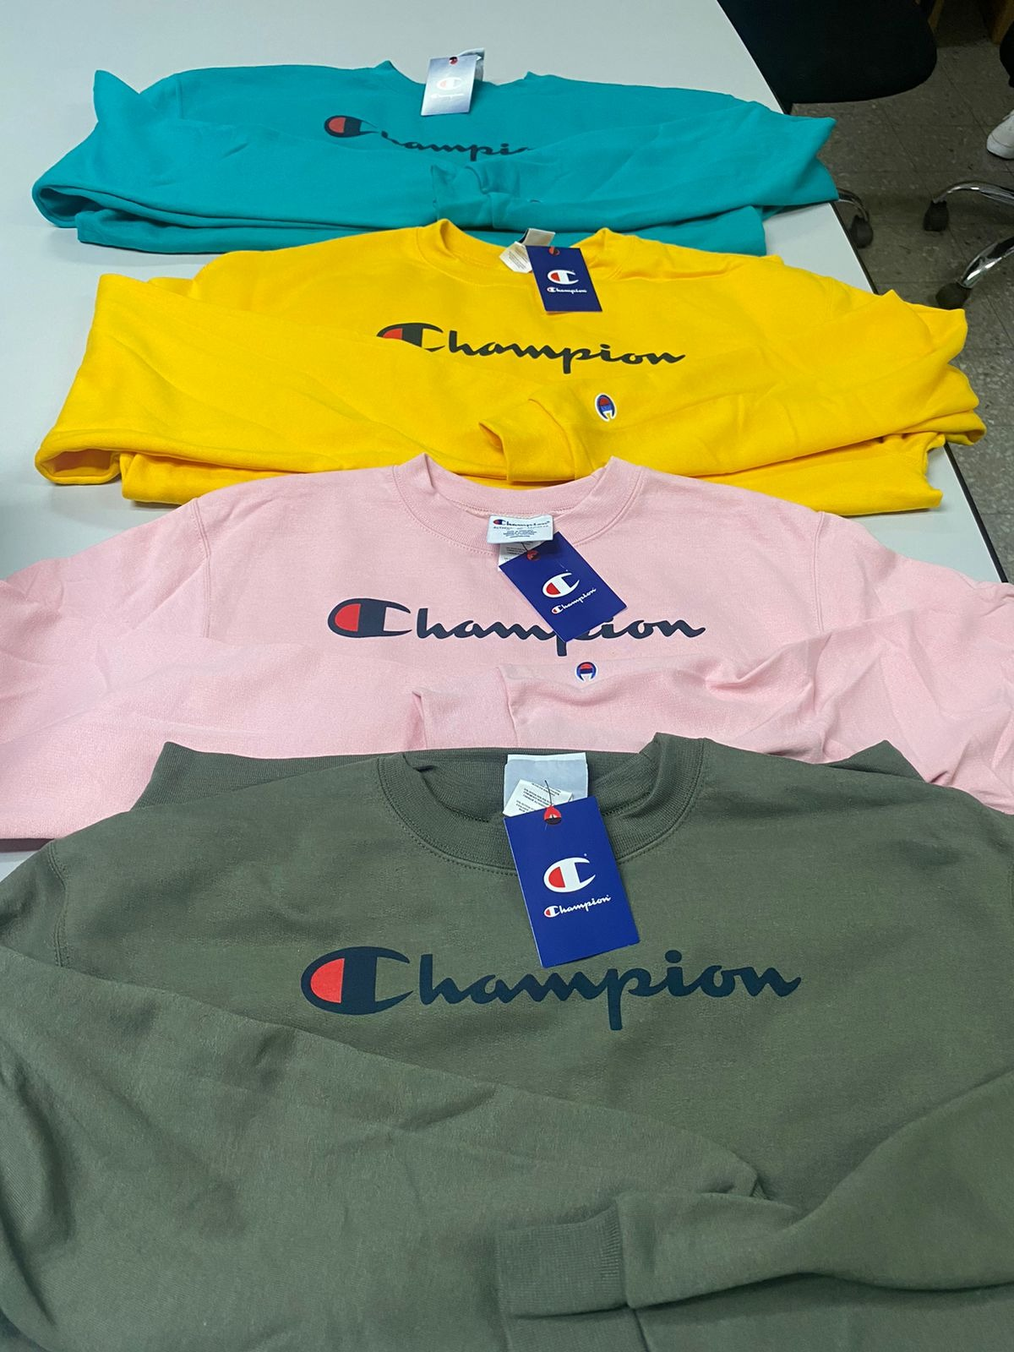
HOODIES | STOCK | 232 | CS1220 | HOODIES FLEECE CREW | Teal | XL | 48 | $10.35
HOODIES | STOCK | 232 | CS1220 | HOODIES FLEECE CREW | Teal | XS | 24 | $10.35
HOODIES | STOCK | 000 | CS1220 | HOODIES FLEECE CREW | White | L | 62 | $10.35
HOODIES | STOCK | 000 | CS1220 | HOODIES FLEECE CREW | White | M | 65 | $10.35
HOODIES | STOCK | 000 | CS1220 | HOODIES FLEECE CREW | White | S | 36 | $10.35
HOODIES | STOCK | 000 | CS1220 | HOODIES FLEECE CREW | White | XL | 48 | $10.35
HOODIES | STOCK | 1616 | CS1220 | HOODIES FLEECE CREW | Light Blue | 3XL | 63 | $10.35
HOODIES | STOCK | 1616 | CS1220 | HOODIES FLEECE CREW | Light Blue | M | 24 | $10.35
HOODIES | STOCK | 2009 | CS1220 | HOODIES FLEECE CREW | Cargo Olive | 2XL | 63 | $10.35
HOODIES | STOCK | 2009 | CS1220 | HOODIES FLEECE CREW | Cargo Olive | L | 119 | $10.35
HOODIES | STOCK | 2009 | CS1220 | HOODIES FLEECE CREW | Cargo Olive | M | 48 | $10.35
HOODIES | STOCK | 2009 | CS1220 | HOODIES FLEECE CREW | Cargo Olive | S | 47 | $10.35
HOODIES | STOCK | 2009 | CS1220 | HOODIES FLEECE CREW | Cargo Olive | XL | 24 | $10.35
HOODIES | STOCK | 256 | CS1220 | HOODIES FLEECE CREW | Dark Green | 3XL | 29 | $10.35
HOODIES | STOCK | 256 | CS1220 | HOODIES FLEECE CREW | Dark Green | XS | 36 | $10.35
HOODIES | STOCK | 338 | CS1220 | HOODIES FLEECE CREW | Yellow Cab | 3XL | 42 | $10.35
HOODIES | STOCK | 338 | CS1220 | HOODIES FLEECE CREW | Yellow Cab | L | 540 | $10.35
HOODIES | STOCK | 338 | CS1220 | HOODIES FLEECE CREW | Yellow Cab | M | 168 | $10.35
HOODIES | STOCK | 338 | CS1220 | HOODIES FLEECE CREW | Yellow Cab | S | 48 | $10.35
HOODIES | STOCK | 338 | CS1220 | HOODIES FLEECE CREW | Yellow Cab | XL | 120 | $10.35
HOODIES | STOCK | 377 | CS1220 | HOODIES FLEECE CREW | Champion Gold | 3XL | 20 | $10.35
HOODIES | STOCK | 387 | CS1220 | HOODIES FLEECE CREW | Lightshow Yellow | L | 100 | $10.35
HOODIES | STOCK | 4111 | CS1220 | HOODIES FLEECE CREW | Spirited Orange | 3XL | 21 | $10.35
HOODIES | STOCK | 4111 | CS1220 | HOODIES FLEECE CREW | Spirited Orange | XS | 24 | $10.35
HOODIES | STOCK | 465 | CS1220 | HOODIES FLEECE CREW | Orange | XS | 136 | $10.35
HOODIES | STOCK | 5031 | CS1220 | HOODIES FLEECE CREW | Feather Pink | 2XL | 42 | $10.35
HOODIES | STOCK | 5031 | CS1220 | HOODIES FLEECE CREW | Feather Pink | L | 62 | $10.35
HOODIES | STOCK | 5031 | CS1220 | HOODIES FLEECE CREW | Feather Pink | M | 22 | $10.35
HOODIES | STOCK | 5031 | CS1220 | HOODIES FLEECE CREW | Feather Pink | S | 0 | $10.35
HOODIES | STOCK | 5031 | CS1220 | HOODIES FLEECE CREW | Feather Pink | XL | 28 | $10.35
HOODIES | STOCK | 5031 | CS1220 | HOODIES FLEECE CREW | Feather Pink | XS | 72 | $10.35
HOODIES | STOCK | 529 | CS1220 | HOODIES FLEECE CREW | Scarlet | XS | 100 | $10.35
HOODIES | STOCK | 539 | CS1220 | HOODIES FLEECE CREW | Cardinal | XS | 136 | $10.35
HOODIES | STOCK | 578 | CS1220 | HOODIES FLEECE CREW | Maroon | XS | 24 | $10.35
HOODIES | STOCK | 588 | CS1220 | HOODIES FLEECE CREW | Garnet | XS | 24 | $10.35
HOODIES | STOCK | 680 | CS1220 | HOODIES FLEECE CREW | Champion Purple | 3XL | 21 | $10.35
HOODIES | STOCK | 680 | CS1220 | HOODIES FLEECE CREW | Champion Purple | S | 24 | $10.35
HOODIES | STOCK | 695 | CS1220 | HOODIES FLEECE CREW | Deep Purple | L | 48 | $10.35
HOODIES | STOCK | 930 | CS1220 | HOODIES FLEECE CREW | Heather Grey | L | 132 | $10.35
HOODIES | STOCK | 930 | CS1220 | HOODIES FLEECE CREW | Heather Grey | M | 48 | $10.35
HOODIES | STOCK | 930 | CS1220 | HOODIES FLEECE CREW | Heather Grey | S | 24 | $10.35
...

